Sheet1
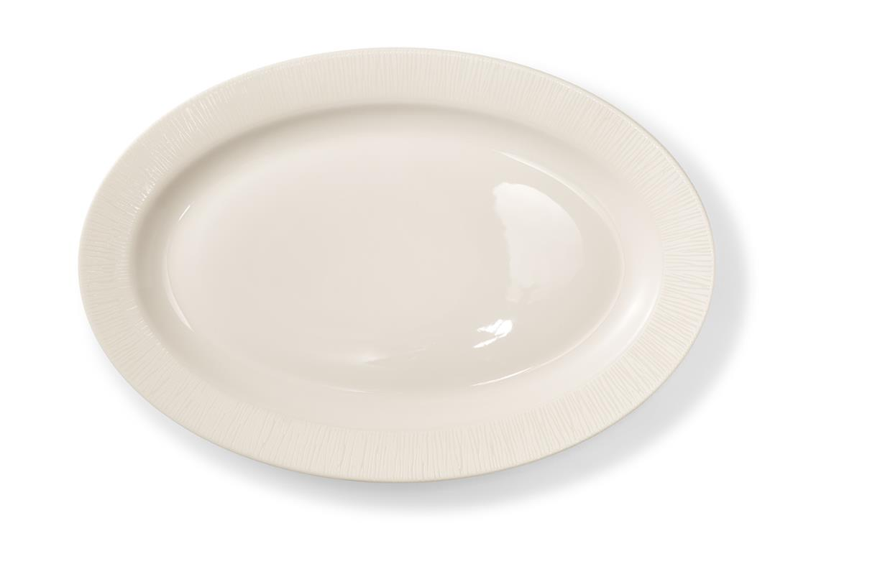
Picture | Item code | Description | Extra information | Restriction | Stock | Sales price EXW | Retail price | Barcode | Quantity PU | Quantity pallet | Pallet | Origin | Customs code | Item weight | Languages on package | Group
 | S-10526 | Villeroy & Boch Vivo, Oval Serving Plate 31cm | DW0433 | No sales in Benelux & GAS countries + No sales online | 1356 | 3.39 | 14.9 | 8718973973949 | 6 | 432 | Europallet 120x80 | CN | 6911100000 | 695 | ch eng fr | Villeroy & Boch Vivo

